Dashboard
coca cola retailer dashboard
in USD
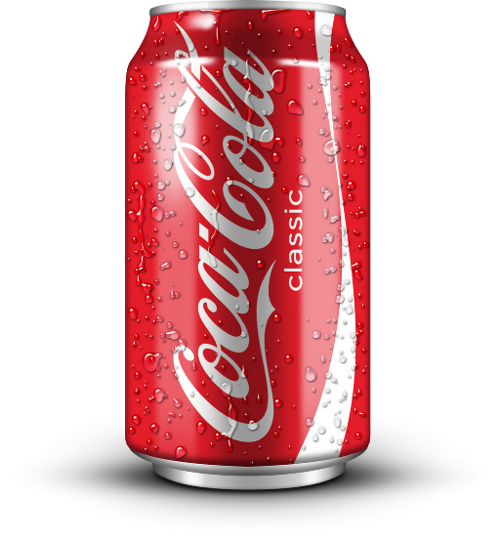

Total Sales
$2,507,827
Unit sold
5,012,790
Average Price
$0.47
Total operating Profit
$973,277

Sales by Beverage brand |  |  |  | Sales by Retailer
Brand | Sales2022 | Sales2023 | Variance | Brand | Sales2022 | Sales2023 | Variance
Coca-Cola | 119252.9 | 564879.5 |  | Amazon | 248885 | 499884 | 748769
Dasani Water | 114618.6 | 389902.2 | 275283.6 | BevCo | 250381.1 | 540683.8 | 791064.9
Diet Coke | 93165.1 | 296421.1 | 203256 | FizzyCo | 5066.2 | 325111 | 330177.2
Fanta | 75959.9 | 190841.4 | 114881.5 | Target | 0 | 172321.8 | 172321.8
Powerade | 97841.6 | 249662.1 | 151820.5 | Walmart | 66350.5 | 0 | 66350.5
Sprite | 80287.8 | 234994.5 | 154706.7 | West Soda | 10443.1 | 388700.2 | 399143.3
Grand Total | 581125.9 | 1926700.8 | 1345574.9 | Grand Total | 581125.9 | 1926700.8 | 2507826.7

Sales and Operating Profit margin by Quarter
 | Sum of Total Sales | Average of Operating Margin
Qtr1 | $368,924 | 40%
Qtr2 | $186,232 | 39%
Qtr3 | $25,970 | 40%
Qtr4 | $367,582 | 0%
Qtr1 | $302,917 | 41%
Qtr2 | $406,501 | 41%
Qtr3 | $479,807 | 41%
Qtr4 | $737,475 | 41%

